Instructions
INSTRUCTIONS TO COMPLETE THE PRIORITIES FUND SUBMISSION TEMPLATE

Purpose
To create a submission to the Dean's Office to request for the upcoming year's priorities funding.

Instructions
** Note: Please complete the tabs in sequential order as cells are linked between tabs
This excel document should be submitted in conjunction with the word document "2022-23 Priorities Fund Submission - Description Section."

Tab 1: Carryforward Calculation
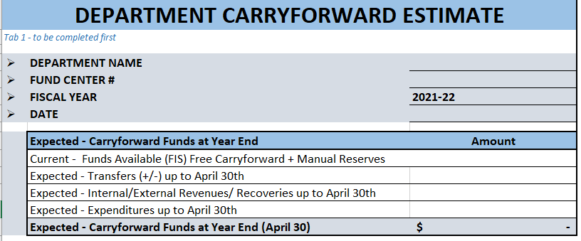

1. Enter Date when FIS Download was completed

2. Enter the total of (1) Funds available per ZFTR111 Fund Center report and (2) any manual reserves booked to commitments

3. Enter Amount of expected transfers to be processed before April 30th

4. Enter total expected revenue to be booked prior to April 30th

5. Enter total expected expenditures to be booked prior to April 30th

Tab 2 : Existing Funding Sources

This tab provides a summary of the funding available and allows the user to allocate amounts to differing priorities.

Note that the Funding Sources Amount ($) (Column E) represents all the funding which could potentially be allocated towards the listed priorities.
There is no requirement that departments/units allocate all of these funds. It is at the department's discretion how to allocate the funds.

Step 1: The department's operating carryforward balance (Free balance and Manual Reserves) will flow from Tab 1.

Step 2: Enter the amount of Autonomy Funds (as per base budget) available

Step 3: Allocate funding to each initiative, if applicable.
Step 2: Enter in the available funding

3. Allocate funding to different initiatives, if applicable

Tab: 20XX-20XX SUBMISSION

This tab is used to create a submission on the upcoming year's priorities/initiatives.' Tab 3 - 2022-23 Submission' is linked to 'Tab 2- Existing Funding Sources'. Please do not overwrite the link.
There is space provided in the word document for the user to provide a detailed description of each priority.
There is an option to provide multi-year planning as well, if applicable.

Step 1: List out all Priorities/Initiatives.

Step 2: The funding required for each initiative will flow from Tab 2. Each priority may be planned out as a single year or across multiple years. Approvals will be considering the upcoming year only.
2. The amount of funds required per year will flow from the previous tab. Each priority may be single or multi-year (if applicable).
Approvals are completed based on the upcoming year only.
1. List out the names of the priorities/initiatives

3. Update the Priority number to match the summary above
Step 3: Fill in breakdown of costs for each priority, if applicable.

4. Ensure the total of the breakdown ties to the amount entered in Tab 2 "Total Cost of Priority"

If you have any questions about the template or need assistance, please contact your Financial Officer in the Budget, Planning and Finance department.

